Bug Report
 | Bug ID |  |  |  |  | Bug Overview |  |  |  |  | Bug Details |  |  | Bug Tracking |  |  |  | Comments
TC ID | BUG ID | Reporter | Assignee Dev | Submitted Date | Due Date | Module name | URL (If any) | Screenshots | Operating System | Browser | Steps to reproduce | Expected Results | Actual Results | Bug | Severity | Priority | Bug status
TC_031 | Bug ID _001 | Tester 1 | Dev 1 | 2024.04.28 | Ex-: According to spring planing | Text area | https://translate.google.com/?sl=en&tl=si&op=translate |  | Windows 11 | Google Chrome Version 124.0.6367.91 | 1. Select source language as English 2. Enter a word English in the source language field. 3. Select Sinhala as the target language. 4. Click on the translate button. | User should be able to receive multiple translations fro the source word | Google translator gives one translation onlyEven if some word has multiple meaning | Google translator gives one translation onlyEven if some word has multiple meaning | Medium | Low | New
TC_032 | Bug ID _002 | Tester 1 | Dev 1 | 2024.04.28 | Ex-: According to spring planing | Text area | https://translate.google.com/?sl=en&tl=si&op=translate |  | Windows 11 | Google Chrome Version 124.0.6367.91 | 1. Select source language as sinhala 2. Enter a word sinhala in the source language field and traget language is sinhala | Correct meaning should be always displayed based on the spellings | For some correct meanings are given and for some correct meanings are not given | For some correct meanings are given and for some correct meanings are not given | Medium | Low | New
TC_005 | Bug ID _003 | Tester 2 | Dev 2 | 2024.04.28 | Ex-: According to spring planing | Images | https://translate.google.com/?sl=en&tl=si&op=images | 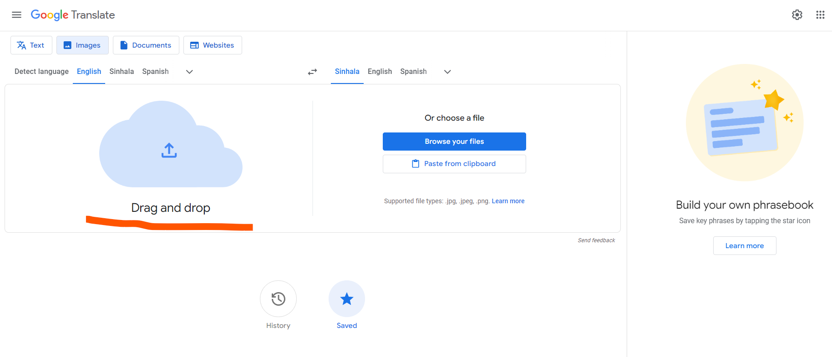 | Windows 11 | Google Chrome Version 124.0.6367.91 | 1. Click on Images tab 2. select source language and target language as English to sinhala 3. drage and drop image 4. Click on the Save button | Saved items list should be laoded and drag and drop image should be there | Once user clicks on the "Save" button, drag and drop image disappears. | Once user clicks on the "Save" button, drag and drop image disappears. | High | Medium | New
TC_006 | Bug ID _004 | Tester 2 | Dev 3 | 2024.04.28 | Ex-: According to spring planing | Images | https://translate.google.com/?sl=en&tl=si&op=images |  | Windows 11 | Google Chrome Version 124.0.6367.91 | 1. Click on Images tab 2. select source language and target language as English to sinhala 3. drage and drop image 4. Click on the Save button | If user can't save images no need to display "Saved" button under the images tab | There is no any option to save the images but "saved" button is loaded under the images tab also | There is no any option to save the images but "saved" button is loaded under the images tab also | Medium | Medium | New
TC_007 | Bug ID _005 | Tester 2 | Dev 3 | 2024.04.28 | Ex-: According to spring planing | Images | https://translate.google.com/?sl=en&tl=si&op=images |  | Windows 11 | Google Chrome Version 124.0.6367.91 | 1. Click on Images tab 2. select source language and target language as English to sinhala 3. drage and drop image 4. Click on the History button | If user clicks on history button , history tab should be laoded and drag and drop image should be there | When user clicks on history button, Drag and drop image disappears | When user clicks on history button, Drag and drop image disappears | Medium | Medium | New
TC_011 | Bug ID _006 | Tester 2 | Dev 3 | 2024.04.28 | Ex-: According to spring planing | Images | https://translate.google.com/?sl=en&tl=si&op=images |  | Windows 11 | Google Chrome Version 124.0.6367.91 | 1. Click on Images tab 2. select source language and target language as English to sinhala 3. Copy images 4. Clicks on the "Paste from clipboard | Even user paste .Jpeg, jpg, .png, user can't copy and paste | Message is displayed as "can't translate this file format" | Message is displayed as "can't translate this file format" | High | High | New

